Iteration 5
S/N | Functionality | Description | Test Inputs | Test Procedure | Expected Results | Actual result | Pass/Fail | Pass/Fail after debugging
1 | Login | The user would be able to login with the correct username and password entered | Username: admin Pwd: adminadmin | Enter the specified username and password in the respective fields and click login | Successful Login | Successful Login | Pass
2 | Login | Verify empty field | Username: blank Pwd: adminadmin | Leave username blank and enter the password in the password field | "The username is required and cannot be empty" | "The username is required and cannot be empty" | Pass
3 | Login | Verify empty field | Username: admin Pwd: blank | Leave password blank | "The password is required and cannot be empty" | "The password is required and cannot be empty" | Pass
4 | Login | Entering the master admin credentials would bring the user to the master admin dashboard view upon successful login | Username: admin Pwd: adminadmin | Enter the specified username and password in the respective fields and click login | The user should be redirected to the master admin view of the dashboard with the correct navigation bar | The user was redirected to the master admin view of the dashboard with the correct navigation bar | Pass
5 | Login | Entering the branch admin credentials would bring the user to the master admin dashboard view upon successful login | Username: xin Pwd: xinxin | Enter the specified username and password in the respective fields and click login | The user should be redirected to the branch admin view of the dashboard with the correct navigation bar | The user was redirected to the branch admin view of the dashboard with the correct navigation bar | Pass
6 | Login | Entering the tutor credentials would bring the user to the master admin dashboard view upon successful login | Username: xin2018 Pwd: xinxin | Enter the specified username and password in the respective fields and click login | The user should be redirected to the tutor view of the dashboard with the correct navigation bar | The user was redirected to the tutor view of the dashboard with the correct navigation bar | Pass
7 | Login | Entering the student credentials would bring the user to the parent dashboard view upon successful login | Username: emily2018 Pwd: emily00 | Enter the specified username and password in the respective fields and click login | The user should be redirected to the student view of the dashboard with the correct navigation bar | The user was redirected to the student view of the dashboard with the correct navigation bar | Pass
8 | Login | Entering the parent credentials would bring the user to the parent dashboard view upon successful login | Username: amy85 Pwd: amy85 | Enter the specified username and password in the respective fields and click login | The user should be redirected to the parent view of the dashboard with the correct navigation bar | The user was redirected to the parent view of the dashboard with the correct navigation bar | Pass
9 | Login | Login with the wrong password for the master admin account | Username: admin Pwd: wasd1234567 | Enter the specified username and password in the respective fields and click login | "Invalid username or password. Try again" | "Invalid username or password. Try again" | Pass
10 | Login | Login with the wrong username for master admin account | Username: randomuser Pwd: adminadmin | Enter the specified username and password in the respective fields and click login | "Invalid username or password. Try again" | "Invalid username or password. Try again" | Pass
11 | Login | Login with the wrong password for the branch admin account | Username: xin Pwd: wasd1234567 | Enter the specified username and password in the respective fields and click login | "Invalid username or password. Try again" | "Invalid username or password. Try again" | Pass
12 | Login | Login with the wrong username for branch admin account | Username: randomuser Pwd: xinxin | Enter the specified username and password in the respective fields and click login | "Invalid username or password. Try again" | "Invalid username or password. Try again" | Pass
13 | Login | Login with the wrong password for the tutor account | Username: xin2018 Pwd: wasd1234567 | Enter the specified username and password in the respective fields and click login | "Invalid username or password. Try again" | "Invalid username or password. Try again" | Pass
14 | Login | Login with the wrong username for tutor account | Username: xin2018 Pwd: xinxin | Enter the specified username and password in the respective fields and click login | "Invalid username or password. Try again" | "Invalid username or password. Try again" | Pass
15 | Login | Login with the wrong password for the student account | Username: emily2018 Pwd: wasd | Enter the specified username and password in the respective fields and click login | "Invalid username or password. Try again" | "Invalid username or password. Try again" | Pass
16 | Login | Login with the wrong username for student account | Username: randomuser Pwd: emily00 | Enter the specified username and password in the respective fields and click login | "Invalid username or password. Try again" | "Invalid username or password. Try again" | Pass
17 | Login | Login with the wrong password for the parent account | Username: amy85 Pwd: wasd1234567 | Enter the specified username and password in the respective fields and click login | "Invalid username or password. Try again" | "Invalid username or password. Try again" | Pass
18 | Login | Login with the wrong username for parent account | Username: randomuser Pwd: amy85 | Enter the specified username and password in the respective fields and click login | "Invalid username or password. Try again" | "Invalid username or password. Try again" | Pass
19 | Branch Creation | The master admin should be able to create a branch record with all the valid fields inputted | Branch Name: Bedok Branch Branch Address: 123 Bedok St Phone Number: 91234567 Starting Date: 05-06-2018 | Enter the specified information in their respective fields and click 'Create Branch' | Successful Creation | Successful Creation | Pass
20 | Branch Creation | The master admin should be able to create a branch record with all the valid fields inputted | Branch Name: Bedok Branch Branch Address: 123 Bedok St Phone Number: 66669999 Starting Date: 05-06-2018 | Enter the specified information in their respective fields and click 'Create Branch' | Successful Creation | Error Message 'Please enter valid phone number' displayed | Fail | Pass
21 | Branch Creation | The master admin should not be able to create a branch record without entering the branch name | Branch Name: Branch Address: 123 Bedok St Phone Number: 91234567 Starting Date: 05-06-2018 | Enter the specified information in their respective fields and click 'Create Branch' | Error Message 'Please enter branch name' to be displayed | Error Message 'Please enter branch name' displayed | Pass
22 | Branch Creation | The master admin should not be able to create a branch record by entering an invalid format of phone number | Branch Name: Bedok Branch Branch Address: 123 Bedok St Phone Number: asdfksf Starting Date: 05-06-2018 | Enter the specified information in their respective fields and click 'Create Branch' | Error Message 'Please enter a valid phone number' to be displayed | Error Message 'Please enter a valid phone number' displayed | Pass
23 | Branch Creation | The master admin should not be able to create a branch record by entering an invalid format of phone number | Branch Name: Bedok Branch Branch Address: 123 Bedok St Phone Number: 33331111 Starting Date: 05-06-2018 | Enter the specified information in their respective fields and click 'Create Branch' | Error Message 'Please enter a valid phone number' to be displayed | Error Message 'Please enter a valid phone number' displayed | Pass
24 | View Branches | The master admin should be able to view all the branches upon navigating to the Display Branches page | - | Click on 'Branch' in the navigation bar on the left and click on 'View Branches' | Following branches should be displayed | Following branches displayed | Pass
25 | Admin Creation | The master admin should be able to create a new admin record with all the valid information entered | Branch: Bukit Panjang Branch Username: kanelam Email: kanelam@gmail.com | Enter the specified details into their respective fields and click 'Create Admin' | Successful Creation | Successful Creation | Pass
26 | Admin Creation | The master admin should not be able to create a new admin record if the username field is left blank | Branch: Bukit Panjang Branch Username: Email: kanelam@gmail.com | Enter the specified details into their respective fields and click 'Create Admin' | Error Message 'Please enter username' to be displayed | Error Message 'Please enter username' displayed | Pass
27 | Admin Creation | The master admin should not be able to create a new admin record if the email field is left blank | Branch: Bukit Panjang Branch Username: kanelam Email: | Enter the specified details into their respective fields and click 'Create Admin' | Error Message 'Please enter an email address' to be displayed | Error Message 'Please enter an email address' displayed | Pass
28 | Admin Creation | The master admin should not be able to create a new admin record if the email entered is not of a valid format | Branch: Bukit Panjang Branch Username: kanelam Email: kanelam | Enter the specified details into their respective fields and click 'Create Admin' | Error Message 'Please enter a valid email address' to be displayed | Error Message 'Please enter a valid email address' displayed | Pass
29 | Admin Creation | The master admin should not be able to create a new admin record if the email entered is not of a valid format | Branch: Bukit Panjang Branch Username: kanelam Email: kanelam@gmail | Enter the specified details into their respective fields and click 'Create Admin' | Error Message 'Please enter a valid email address' to be displayed | Error Message 'Please enter a valid email address' displayed | Pass
30 | View Branch Admins | The master admin should be able to view all the branch admins upon navigating to the Display Branch Admins page | - | Click on 'Branch' in the navigation bar on the left and click on 'View Branch Admins' | 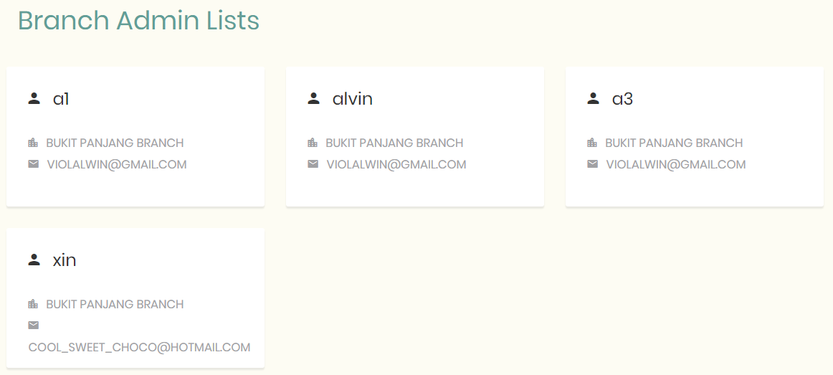 Following branch admins should be displayed | Following branch admins displayed | Pass
31 | Tutor Creation | The branch admin should be able to create a Tutor record with all the valid input details | NRIC: S2345678A Full Name: Jennie Phone:88889999 Address: Jurong West Image: -Upload Image- Birthdate: 10-08-2018 Gender: F Email: jennie@gmail.com | Enter the specified details into their respective fields and click 'Create Tutor' | Successful Creation | Successful Creation | Pass
32 | Tutor Creation | The branch admin should be able to create a Tutor record without entering the optional fields | Full Name: Max Lim Birthdate: 10-08-2018 Email: maxlim@gmail.com Other Fields: Optional | Enter the specified details into their respective fields and click 'Create Tutor' | Successful Creation | Successful Creation | Pass
33 | Tutor Creation | The branch admin should not be able to create a Tutor record without entering the full name | Full Name: Birthdate: 10-08-2018 Email: maxlim@gmail.com Other Fields: Optional | Enter the specified details into their respective fields and click 'Create Tutor' | Error Message 'Please enter Tutor Name' to be displayed | Error Message 'Please enter Tutor Name' displayed | Pass
34 | Tutor Creation | The branch admin should not be able to create a Tutor record without entering the email | Full Name: Max Lim Birthdate: 10-08-2018 Email: blank Other Fields: Optional | Enter the specified details into their respective fields and click 'Create Tutor' | Error Message 'Enter email address' to be displayed | Error Message 'Enter email address' displayed | Pass
35 | Tutor Creation | The branch admin should not be able to create a Tutor record if an invalid format for email address in inputted | Full Name: Max Lim Birthdate: 10-08-2018 Email: maxlim@hot Other Fields: Optional | Enter the specified details into their respective fields and click 'Create Tutor' | Error Message 'Please enter a valid email address' to be displayed | Error Message 'Please enter a valid email address' displayed | Pass
36 | Tutor Creation | The branch admin should not be able to create a Tutor record if an invalid format for email address in inputted | Full Name: Max Lim Birthdate: 10-08-2018 Email: maxlim Other Fields: Optional | Enter the specified details into their respective fields and click 'Create Tutor' | Error Message 'Please enter a valid email address' to be displayed | Error Message 'Please enter a valid email address' displayed | Pass
37 | Tutor Creation | The branch admin should not be able to create a Tutor record without entering the date of birth | Full Name: Max Lim Birthdate: Email: maxlim Other Fields: Optional | Enter the specified details into their respective fields and click 'Create Tutor' | Error Message 'BirthDate cannot be empty' to be displayed | Error Message 'BirthDate cannot be empty' displayed | Pass
38 | Delete Tutor | The branch admin should be able to remove all data of Tutor record upon clicking the rubbish icon | - | Click the trash icon beside the desired tutor and click 'Yes, Confirm' | Tutor Deleted successfully and display message "Deleted Tutor record successfully" | Message "Failure! Something went wrong" displayed and information in database is not updated | Fail | Pass
39 | Update Tutor | The branch admin should be able to update the Phone Number of a specific tutor | Phone: 91110000 Address: - Image: - Email: - | Enter the new phone number into the phone number field and click 'Save Changes' | Message "Success! Tutor record updated successfully" to be displayed and information in database to be updated | Message "Success! Tutor record updated successfully" displayed and information in database updated | Pass
40 | Update Tutor | The branch admin should be able to update the address of a specific tutor | Phone: - Address: Jurong West Image: - Email: - | Enter the new address into the address field and click 'Save Changes' | Message "Success! Tutor record updated successfully" to be displayed and information in database to be updated | Message "Success! Tutor record updated successfully" displayed and information in database updated | Pass
41 | Update Tutor | The branch admin should be able to update the image of a specific tutor | Phone: - Address: - Image: -Upload Image- Email: - | Upload the new image and click 'Save Changes' | Message "Success! Tutor record updated successfully" to be displayed and information in database to be updated | Message "Success! Tutor record updated successfully" displayed and information in database updated | Pass
42 | Update Tutor | The branch admin should be able to update the email of a specific tutor | Phone: - Address: - Image: - Email: jennie@hotmail.com | Enter the new email address into the email address field and click 'Save Changes' | Message "Success! Tutor record updated successfully" to be displayed and information in database to be updated | Message "Success! Tutor record updated successfully" displayed and information in database updated | Pass
43 | Create Tutor (Mass Upload) | The branch admin should be able to update Tutor records by uploading a csv file given in the system | Upload CSV File with 3 tutors | Uploaded 3 tutors in the CSV file with necessary details | Message "Success! Tutor record updated successfully" to be displayed and information in database to be updated | Message "Success! Tutor record updated successfully" displayed and information in database updated | Pass
44 | Create Subject | The branch admin should be able to create a new Subject linked with the different levels that offers it | Subject Name: Database Management Level: Sec1-4 | Enter the specified information in the respective fields and click 'Create Subject' | Message "Success! Subject created successfully" to be displayed and information in database to be updated | Message "Success! Subject created successfully" displayed and information in database updated | Pass
45 | Update Subject | The branch admin should be able to remove certain levels from a subject | - | Click on the pencil icon and remove levels Secondary 1 - 3, then click 'Save Changes' | Message "Success! Deleted level from subject successfully" to be displayed and information in database to be updated | Message "Success! Deleted level from subject successfully" displayed and information in database updated | Pass
46 | Delete subject | The branch admin should be able to remove all data of Subject record upon clicking the rubbish icon | - | Click the trash icon beside the desired subject and click 'Yes, Confirm' | Message "Success! Deleted subject successfully" to be displayed and information in database to be updated | Message "Success! Deleted subject successfully" displayed and information in database updated | Pass
47 | Create Student | The branch admin should be able to create a new Student record with all the valid input fields filled in | Name: John Doe Academic Level: Sec 2 Mobile: 99991111 Email: johndoe@gmaill.com Reg Fees: 20 Parent Name: Amy Parent's Mobile: 98765432 Email: maydoe@gmail.com | Enter the specified information in the respective fields and click 'Register Student' | The new Student record should be inserted into the database and the branch admin should be redirected to the 'Register for Classes' Page | The new Student record is inserted into the database and the branch admin is redirected to the 'Register for Classes' Page | Pass
48 | Create Student | The branch admin should not be able to create a new Student record if the email entered for parent is of invalid format | Name: John Doe Academic Level: Sec 2 Mobile: 99991111 Email: johndoe@gmail.com Reg Fees: 20 Parent Name: Amy Parent's Mobile: 98765432 Email: maydoe@ | Enter the specified information in the respective fields and click 'Register Student' | Error Message 'Please enter valid email address' to be displayed | Error Message 'Please enter valid email address' displayed | Pass
49 | Create Student | The branch admin should not be able to create a new Student record with an invalid phone number for the student | Name: John Doe Academic Level: Sec 2 Mobile: 39991111 Email: johndoe@gmaill.com Reg Fees: 20 Parent Name: Amy Parent's Mobile: 98765432 Email: maydoe@gmail.com | Enter the specified information in the respective fields and click 'Register Student' | Error Message 'Please enter valid phone number' to be displayed | Error Message 'Please enter valid phone number' displayed | Pass
50 | Create Student | The branch admin should be able to create a new Student record without entering the optional fields | Name: XinXin Academic Level: Sec 2 Email: johndoe@gmaill.com Reg Fees: 20 Parent's Name: Amy Parent's Mobile: 98765432 | Enter the specified information in the respective fields and click 'Register Student' | The new Student record should be inserted into the database and the branch admin should be redirected to the 'Register for Classes' Page | The new Student record is inserted into the database and the branch admin is redirected to the 'Register for Classes' Page | Pass
51 | Create Student | The branch admin should be able to create a new Student record with the same parent | Name: Jane Doe Academic Level: Primary 1 Email: johndoe@gmail.com Parent's Name: Amy Parent's Mobile: 98765432 | Enter the specified information in the respective fields and click 'Register Student' | The new Student record should be inserted into the database and the branch admin should be redirected to the 'Register for Classes' Page | The new Student record is inserted into the database and the branch admin is redirected to the 'Register for Classes' Page | Pass
52 | Create Student | The branch admin should not be able to create a new Student record without entering the student name | Name: Academic Level: Primary 1 Email: johndoe@gmail.com Parent's Name: Amy Parent's Mobile: 98765433 | Enter the specified information in the respective fields and click 'Register Student' | Error Message 'Please enter student name' to be displayed | Error Message 'Please enter student name' displayed | Pass
53 | Create Student | The branch admin should not be able to create a new Student record without selecting the academic level | Name: Jane Doe Academic Level: Email: johndoe@gmail.com Parent's Name: Amy Parent's Mobile: 98765432 | Enter the specified information in the respective fields and click 'Register Student' | Error Message 'Please select level' to be displayed | Error Message 'Please select level' displayed | Pass
54 | Create Student | The branch admin should not be able to create a new Student record without entering the email address/phone number | Name: Jane Doe Academic Level: Primary 1 Email: - Parent's Name: Amy Parent's Mobile: 98765432 | Enter the specified information in the respective fields and click 'Register Student' | Error Message 'Enter phone or email' to be displayed | Error Message 'Enter phone or email' displayed | Pass
55 | Create Student | The branch admin should not be able to create a new Student record if the email entered is of invalid format | Name: Jane Doe Academic Level: Primary 1 Email: johndoe@gmail Parent's Name: Amy Parent's Mobile: 98765432 | Enter the specified information in the respective fields and click 'Register Student' | Error Message 'Please enter valid email address' to be displayed | Error Message 'Please enter valid email address' displayed | Pass
56 | Create Student | The branch admin should not be able to create a new Student record without entering the parent's name | Name: Jane Doe Academic Level: Primary 1 Email: johndoe@gmail.com Parent's Name: Parent's Mobile: 98765432 | Enter the specified information in the respective fields and click 'Register Student' | Error Message 'Name cannot be empty' to be displayed | Error Message 'Name cannot be empty' displayed | Pass
57 | Create Student | The branch admin should not be able to create a new Student record without entering the parent's phone number | Name: Jane Doe Academic Level: Primary 1 Email: johndoe@gmail.com Parent's Name: Amy Parent's Mobile: | Enter the specified information in the respective fields and click 'Register Student' | Error Message 'Please enter phone number' to be displayed | Error Message 'Please enter phone number' displayed | Pass
58 | Delete Student | The branch admin should be able to remove all data of student record upon clicking the rubbish icon | - | Click the trash icon beside the desired student and click 'Yes, Confirm' | Message "Success! Deleted subject successfully" to be displayed and information in database to be updated | Message "Failure! Something went wrong" displayed and information in database is not updated | Fail | Pass
59 | Update Student | The branch admin should be able to update the name of the desired student | Name: Hui Xin Level: - Address: - Contact No: - Required Amt: - Outstanding Amt: - | Enter the specified information in the respective fields and click 'Save Changes' | Message "Success! Update student record successfully" to be displayed and information in database to be updated | Message "Success! Update student record successfully" displayed and information in database updated | Pass
60 | Update Student | The branch admin should be able to update the level of the desired student | Name: - Level: Primary 2 Address: - Contact No: - Required Amt: - Outstanding Amt: - | Enter the specified information in the respective fields and click 'Save Changes' | Message "Success! Update student record successfully" to be displayed and information in database to be updated | Message "Success! Update student record successfully" displayed and information in database updated | Pass
61 | Update Student | The branch admin should be able to update the address of the desired student | Name: - Level: - Address: Jurong Contact No: - Required Amt: - Outstanding Amt: - | Enter the specified information in the respective fields and click 'Save Changes' | Message "Success! Update student record successfully" to be displayed and information in database to be updated | Message "Success! Update student record successfully" displayed and information in database updated | Pass
62 | Update Student | The branch admin should be able to update the contact number of the desired student | Name: - Level: - Address: - Contact No: 98880000 Required Amt: - Outstanding Amt: - | Enter the specified information in the respective fields and click 'Save Changes' | Message "Success! Update student record successfully" to be displayed and information in database to be updated | Message "Success! Update student record successfully" displayed and information in database updated | Pass
63 | Update Student | The branch admin should be able to update the required amount of the desired student | Name: - Level: - Address: - Contact No: - Required Amt: 120 Outstanding Amt: - | Enter the specified information in the respective fields and click 'Save Changes' | Message "Success! Update student record successfully" to be displayed and information in database to be updated | Message "Success! Update student record successfully" displayed and information in database updated | Pass
64 | Update Student | The branch admin should be able to update the required amount of the desired student | Name: - Level: - Address: - Contact No: - Required Amt: - Outstanding Amt: 0 | Enter the specified information in the respective fields and click 'Save Changes' | Message "Success! Update student record successfully" to be displayed and information in database to be updated | Message "Success! Update student record successfully" displayed and information in database updated | Pass
65 | Master Admin Dashboard | The master admin dashboard should display the number of branches, number of students, number of tutors and student per level | - | Navigate to the Dashboard Page | There should be 2 branches, 3 tutors, 3 students and 1 Primary 3 student, 1 Primary 4 student according to the data in the database | 2 branches, 3 tutors, 3 students and 1 Primary 3 student, 1 Primary 4 student are displayed according to the data in the database | Pass
66 | Branch Admin Dashboard | The branch admin dashboard should display the number of students, number of tutors and student per level | - | Navigate to the Dashboard Page | There should be 3 tutors, 3 students and 1 Primary 3 student, 1 Primary 4 student according to the data in the database | 3 tutors, 3 students and 1 Primary 3 student, 1 Primary 4 student are displayed according to the data in the database | Pass
67 | Tutor Dashboard | The tutor dashboard should display the number of classes, number of students and student per class |  | Navigate to the Dashboard Page | There should be 2 classes, 1 student and 1 student for the Tuesday English class according to the data in the database | 2 classes, 1 student and 1 student for the Tuesday English class displayed according to the data in the database | Pass
68 | Reset Password | The user should be able to make a password reset request to reset their password | Username: xin Role: Admin | Click on 'Forgot Password' on the Login Page and enter the specified information in the respective fields | An email would be sent to the user with a new password | An email is sent to the user with a new password | Pass
69 | Reset Password | The user should not be able to make a password reset request to reset their password with an invalid username | Username: hui Role: Tutor | Click on 'Forgot Password' on the Login Page and enter the specified information in the respective fields | Error Message "Invalid User" to be displayed | Error Message "Invalid User" is not displayed | Fail
70 | Create Grade | The tutor should be able to add grades for students in their existing classes with all valid inputs | Grade: 81 | Click on 'Add Grades' for Tuesday English class and enter the specified grade in the grade field and click 'Add Grades' | Message "Successfully added!" to be displayed and information in the database to be updated | Message "Successfully added!" displayed and information in the database updated | Pass
71 | Create Grade | The tutor should not be able to add grades for students in their existing classes without entering the grade in the grade field | Grade: | Click on 'Add Grades' for Tuesday English class and enter the specified grade in the grade field and click 'Add Grades' | Message "Error while adding grade!" to be displayed and information in the database should not be updated | Message "Successfully added!" displayed and information in the database updated | Fail | Pass
72 | Create Grade | The tutor should not be able to add grades for students in their existing classes if they do not enter a value between 0 - 100 in the grade field | Grade: asd | Click on 'Add Grades' for Tuesday English class and enter the specified grade in the grade field and click 'Add Grades' | The user should not be able to enter the specfied value into the field | The user is unable to enter the specfied value into the field | Pass
73 | Create Grade | The tutor should not be able to add grades for students in their existing classes if they do not enter a value between 0 - 100 in the grade field | Grade: 101 | Click on 'Add Grades' for Tuesday English class and enter the specified grade in the grade field and click 'Add Grades' | Message "The grade must be between 0 and 100" to be displayed and user should not be able to click 'Add Grades' | Message "The grade must be between 0 and 100" displayed and user is unable to click 'Add Grades' | Pass
74 | Create Grade | The tutor should not be able to add grades for students in their existing classes if they do not enter a value between 0 - 100 in the grade field | Grade: -5 | Click on 'Add Grades' for Tuesday English class and enter the specified grade in the grade field and click 'Add Grades' | Message "The grade must be between 0 and 100" to be displayed and user should not be able to click 'Add Grades' | Message "The grade must be between 0 and 100" displayed and user is unable to click 'Add Grades' | Pass
75 | Update Grade | The tutor should be able to update grades for students in their existing classes with all valid inputs | Grade: 95 | Click on 'Update Grades' for Tuesday English class and enter the specified grade in the grade field and click 'Update Grades' | Message "Successfully updated!" to be displayed and information in the database to be updated | Message "Successfully updated!" displayed and information in the database updated | Pass
76 | Update Grade | The tutor should not be able to update grades for students in their existing classes without entering the grade in the grade field | Grade: | Click on 'Update Grades' for Tuesday English class and enter the specified grade in the grade field and click 'Update Grades' | Message "Error while updating grade!" to be displayed and information in the database should not be updated | Message "Successfully added!" displayed and information in the database updated | Fail | Pass
77 | Update Grade | The tutor should not be able to update grades for students in their existing classes if they do not enter a value between 0 - 100 in the grade field | Grade: asd | Click on 'Update Grades' for Tuesday English class and enter the specified grade in the grade field and click 'Update Grades' | The user should not be able to enter the specfied value into the field | The user is unable to enter the specfied value into the field | Pass
78 | Update Grade | The tutor should not be able to update grades for students in their existing classes if they do not enter a value between 0 - 100 in the grade field | Grade: 101 | Click on 'Update Grades' for Tuesday English class and enter the specified grade in the grade field and click 'Update Grades' | Message "The grade must be between 0 and 100" to be displayed and user should not be able to click 'Add Grades' | Message "The grade must be between 0 and 100" displayed and user is unable to click 'Add Grades' | Pass
79 | Update Grade | The tutor should not be able to update grades for students in their existing classes if they do not enter a value between 0 - 100 in the grade field | Grade: -5 | Click on 'Update Grades' for Tuesday English class and enter the specified grade in the grade field and click 'Update Grades' | Message "The grade must be between 0 and 100" to be displayed and user should not be able to click 'Add Grades' | Message "The grade must be between 0 and 100" displayed and user is unable to click 'Add Grades' | Pass
80 | View Student Details | The branch admin should be able to view all details of a specific student | - | Click on 'View Details' for the desired student | Information should be shown as follow: -NRIC: - -Name: Adam -Level: Primary 4 -Contact No.: 97608373 -Address: - -Birth Date: - -Gender: - -Email: ahdang@gmail.com -Required Amt: 0 -Outstanding Amt: 0 | 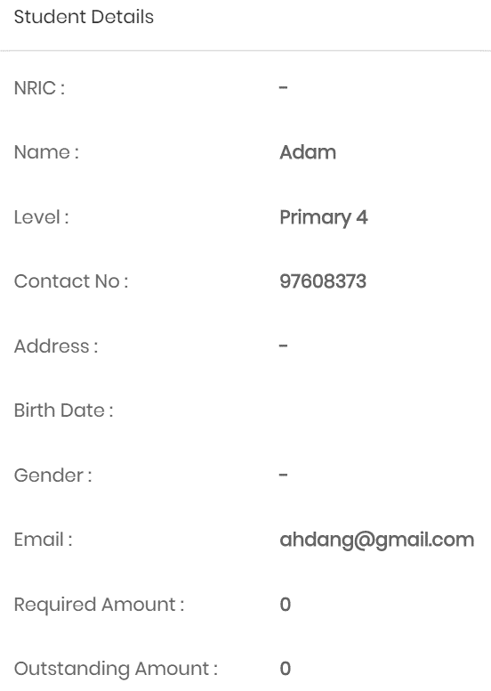 Information is displayed as follow | Pass
81 | View Tutor Details | The branch admin should be able to view all details of a specific tutor | - | Click on 'View Details' for the desired tutor | Information should be shown as follow: -NRIC: S9345652A -Name: Xin -Phone: 91978630 -Address: - -Image: - -Birth Date: 22/10/1997 -Gender: - -Email: huixin.tang1997@gmail.com | 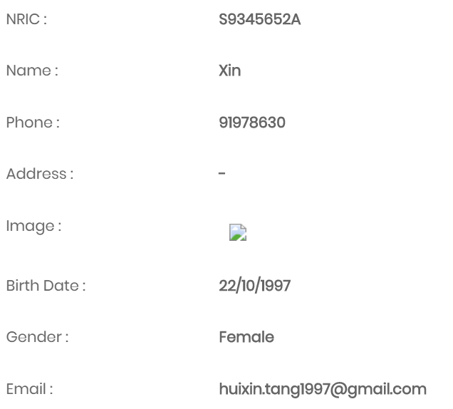 Information is displayed as follow | Pass
82 | Create Schedule | The branch admin should be able to create a new schedule with all the valid inputs | Term: Term IV Level: Primary 4 Year: 2018 Subject: Science Tuition Fees: 120 Assign to: Xin Reminder: Yes Total Lesson: 11 Time Period: 13:00 3 October 2018 - 14:30 3 October 2018 | Select the Term, Level and Year as specified and click on 'View Timetable'. Double click on the day '3 Oct 2018' and enter the specified information into the respective fields before clicking 'Save' | Message 'Created Successfully' to be displayed and information in the database to be updated | Message 'Created Successfully' displayed and information in the database updated | Pass
83 | Create Schedule | The branch admin should be able to create a new schedule without entering the number of total lessons | Term: Term IV Level: Primary 4 Year: 2018 Subject: Science Tuition Fees: 120 Assign to: Xin Reminder: Yes Total Lesson: Time Period: 13:00 3 October 2018 - 14:30 3 October 2018 | Select the Term, Level and Year as specified and click on 'View Timetable'. Double click on the day '3 Oct 2018' and enter the specified information into the respective fields before clicking 'Save' | Message 'Created Successfully' to be displayed and information in the database to be updated | Message 'Created Successfully' displayed and information in the database updated | Pass
84 | Create Schedule | The branch admin should not be able to create a new schedule without entering the tuition fees value | Term: Term IV Level: Primary 4 Year: 2018 Subject: Science Tuition Fees: Assign to: Xin Reminder: Yes Total Lesson: 11 Time Period: 13:00 3 October 2018 - 14:30 3 October 2018 | Select the Term, Level and Year as specified and click on 'View Timetable'. Double click on the day '3 Oct 2018' and enter the specified information into the respective fields before clicking 'Save' | Error Message 'Please enter all information' to be displayed and information in the database to be updated | Error Message 'Please enter all information' displayed and information in the database is not updated | Pass
85 | Display Schedule | The branch admin should be able to view the full schedule for a particular level according to information in the database | Term: Term IV Level: Primary 4 | Select the Term and Level as specified and click on 'View Timetable' | There should be a class for Maths on Monday from 10:30 - 12:00 and a class for Science on Wednesday from 13:00 - 14:30 | A class for Maths on Monday from 10:30 - 12:00 and a class for Science on Wednesday from 13:00 - 14:31 are displayed | Pass
86 | View Class Details | The branch admin should be able to view the full information about a class | - | Click on the Monday Maths class | Information should be displayed as follow: Start Date: 2018-10-01 End Date: 2018-12-10 Tuition Fees: 120 Assigned to: Susan | Information should be displayed as follow: Start Date: 2018-10-01 End Date: 2018-12-10 Tuition Fees: 120 Assigned to: Susan | Pass
87 | Edit Class Details | The branch admin should be able to edit the tutor assignment for the class | Tutor: riana | Double click on the class and click 'Edit Occurrence'. Select riana as the tutor assigned and click 'Save' | Message 'Updated Successfully' to be displayed and information in the database to be updated | Message 'Updated Successfully' displayed and information in the database updated | Pass
88
89
90
91
92
93
94
95
96
97
98
99
100

